Sheet1
 |  | Document No. |  | Issue No. |  | Issue Date |  |  | Review and Replace Date |  |  | Authorised By
 |  | GFF280MC |  | 1 |  | 30.03.2021 |  |  | New Issue |  |  | Magda Shah
 |  | Document Title | Barbacoa Style Beef 400g
Document amendments reason for change |  | New product launch |  |  | Page 1 of 1 |  | Previous Issue Date |  |  | New Issue |  | Uncontrolled copy unless signed original

FBBAB-R8TMC | MINDFUL CHEF |  |  | Barbacoa Style Beef 400g | FROZEN
STEP 1 |  |  |  | STEP 2 |  |  |  |  |  |  | STEP 3
 |  |  |  | 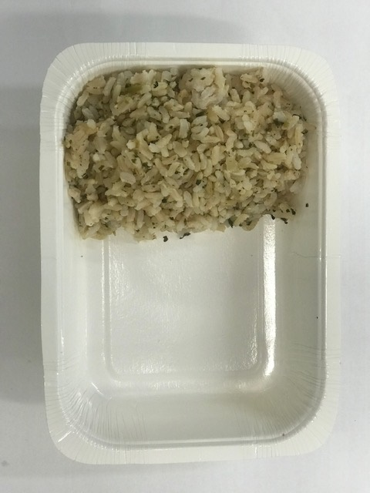 |  |  |  |  |  |  | 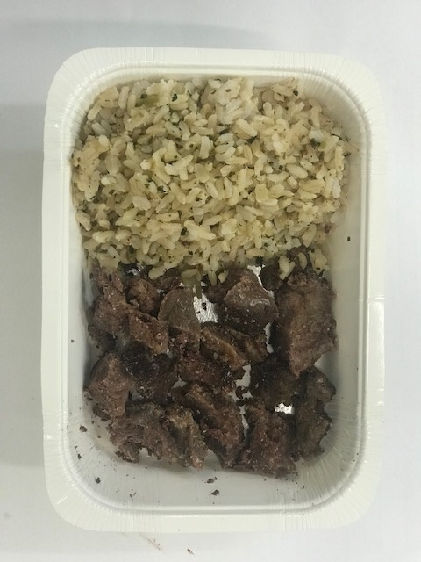

Tray: WHITE OVENABLE BOARD TRAY (PKSOU002-01)
HAND SEALER: Mylar 25OLAF 145mm x 500 (PKWRA001-07) |  |  |  | Brown Rice (GFF255R): 100g |  |  |  |  |  |  | Cooked Beef Chuck (GFF360R): 70g
LINE 1: Mylar 250LAF 250mm x 1000 (PKWRA001-08)
LINE 1: K-Peel 75G + AF 25 250mm (PKKMP001-01)
STEP 4 |  |  |  |  |  |  |  | STEP 5
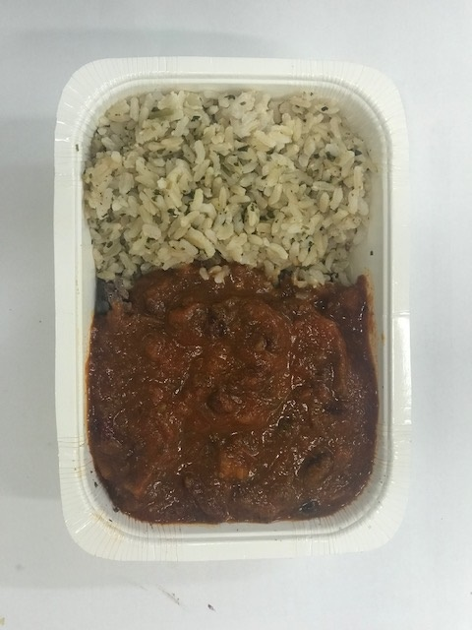 |  |  |  |  |  |  |  | 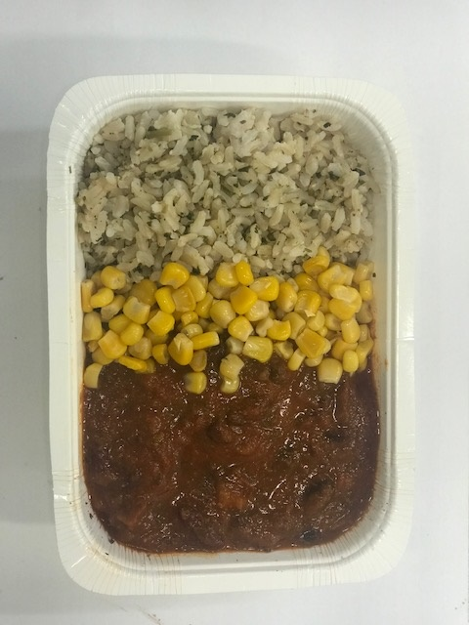

Barbacoa Sauce (GFF359): 190g |  |  |  |  |  |  |  | Steamed Sweet Corn (GFF361R): 40g |  |  |  |  | TOTAL WEIGHT: 400g

ALLERGY ALERT: none

